Buyer Estimates
Buyer Application Estimates
 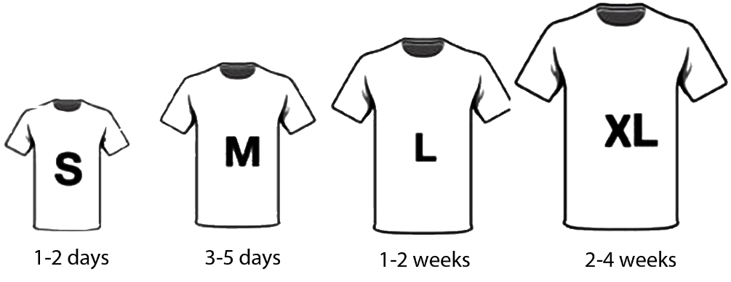

Login | With Headstart | Greenfield
Log in via username/password authentication | Included | S
Reset / Forgot Password | Included | M
Remember Me | Included | S
Anonymous Shopping | Included | M
Account | With Headstart | Greenfield
Design | S | M
Update User | Included | M
Reset Password | Included | S
Favorite Products | Included | M
Manage Saved Addresses | Included | M
Manage Saved Credit Cards | Included | M
Product List Page | With Headstart | Greenfield
Design | S | M
Facets | Included | M
Filters | Included | S
Sort | Included | S
Search | Included | S
Product Card | Included | S
Browse By Categories | Included | M
Product Detail Page | With Headstart | Greenfield
Design | S | M
Specs & Variants | Included | M
Min/Max Quantity | Included | M
Restricted Quantity Items | Included | M
Add to Cart | Included | M
Cart | With Headstart | Greenfield
Design | S | M
Add/Delete/Update Line Items | Included | L
Add / Remove promotions | Included | S
Checkout | With Headstart | Greenfield
Design | S | M
Accept Credit Card Payment | Included | M
Saved Addresses | Included | S
Calculate Tax | Included | S
Shipping Estimates | Included | S
Confirmation Page | Included | L
Order History | With Headstart | Greenfield
Search & Filter Orders | S | M
Favorite Order | Included | S
Reorder | Included | M
View Order Details | Included | L
Request Refund | Included | M
Download Order PDF | Included | M
Header/Footer | With Headstart | Greenfield
Navbar | Included | S
Minicart | Included | M

Admin Estimates
Admin Application Estimates

Login | With Headstart | Greenfield | B2C | B2B | Marketplace
Log in via username/password authentication | Included | S
Reset / Forgot Password | Included | M
Remember Me | Included | S
Account | With Headstart | Greenfield | B2C | B2B | Marketplace
Design | S | M
Update User | Included | M
Reset Password | Included | S
Product Management | With Headstart | Greenfield | B2C | B2B | Marketplace
Design | S | M
Search, filter, and paginate | Included | S
Update Product Details | Included | S
Manage Pricing | Included | M
Manage Visibility | Included | M | ❌
Manage Inventory | Included | M
Manage Specs & Variants | Included | L
Manage Images | Included | L
Manage Documents | Included | L
Promotion Management | With Headstart | Greenfield | B2C | B2B | Marketplace
Design | S | M
Search, filter, and paginate | Included | S
Create/Update/Delete promotions | Included | L
Order Management | With Headstart | Greenfield | B2C | B2B | Marketplace
Design | S | S
Search, filter, and paginate admin orders | Included | S
View Admin Order Details | Included | L
Search, filter, and paginate supplier orders | Included | S | ❌ | ❌
ViewSupplier Order Details | Included | L | ❌ | ❌
Create Shipments | Included | L
Buyer Management | With Headstart | Greenfield | B2C | B2B | Marketplace
Design | S | S
Search, filter, and paginate buyer orgs | Included | S
Create/Update/Delete buyer orgs | Included | M
Search, filter, and paginate buyer users | Included | S
Create/Update/Delete buyer users | Included | M
Search, filter, and paginate buyer usergroups | Included | S
Create/Update/Delete buyer usergroups | Included | M
Catalog Management | With Headstart | Greenfield | B2C | B2B | Marketplace
Design | S | S
Search, filter, and paginate catalogs | Included | S
Create/Update/Delete catalogs | Included | M
Search, filter, and paginate categories | Included | S
Create/Update/Delete categories | Included | M
Supplier Management | With Headstart | Greenfield | B2C | B2B | Marketplace
Design | S | S | ❌ | ❌
Search, filter, and paginate supplier orgs | Included | S | ❌ | ❌
Create/Update/Delete supplier orgs | Included | M | ❌ | ❌
Search, filter, and paginate supplier users | Included | S | ❌ | ❌
Create/Update/Delete supplier users | Included | M | ❌ | ❌
Search, filter, and paginate supplier addresses | Included | S | ❌ | ❌
Create/Update/Delete supplier addresses | Included | M | ❌ | ❌
Admin Management | With Headstart | Greenfield | B2C | B2B | Marketplace
Design | S | S
Search, filter, and paginate admin users | Included | S
Create/Update/Delete admin users | Included | M
Email Templates | With Headstart | Greenfield | B2C | B2B | Marketplace
Order Submit | S | M
Forgot Password | S | M

Middleware Estimates
Middleware Estimates

Provision & Deployment | With Headstart | Greenfield | Notes
Provision Third Party Services | S | S
Provision Azure Services | S | S
Build & Release Pipeline | M | M
Provision OrderCloud | Included | M
Checkout | With Headstart | Greenfield | Notes
Credit Card Integration | Included | XL | Available Integrations: Stripe, CardConnect, BlueSnap
Tax Integration | Included | L | Available Integrations: Avalara, Vertex, TaxJar
Shipping Integration | Included | L | Available Integrations: EasyPost, UPS, Fedex,
Address Validation Integration | Included | M | Available Integrations: SmartyStreets
Order Validation & Submit | Included | M
Email Templates | With Headstart | Greenfield | Notes
Order Submit | S | M
Forgot Password | S | M

